Title
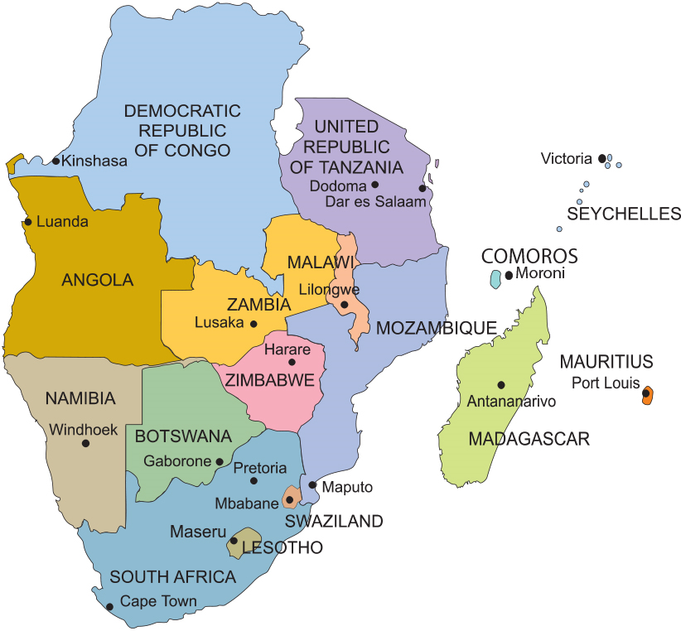


SADC Sectoral statistics database 2025

