Title
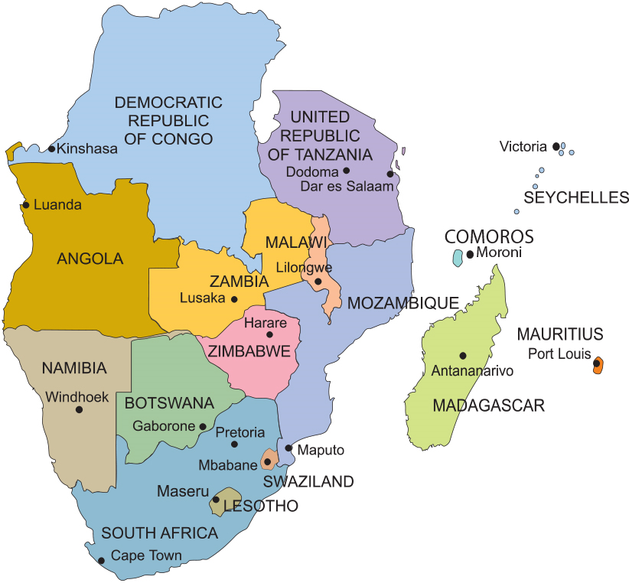


SADC Sectoral statistics database 2023

